RemovedVariables
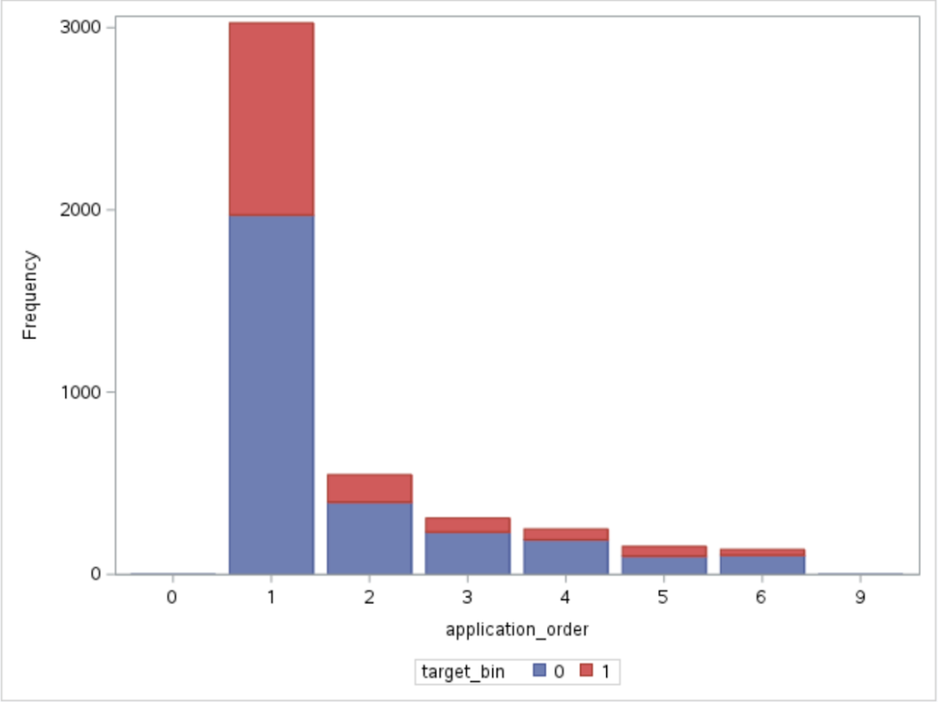
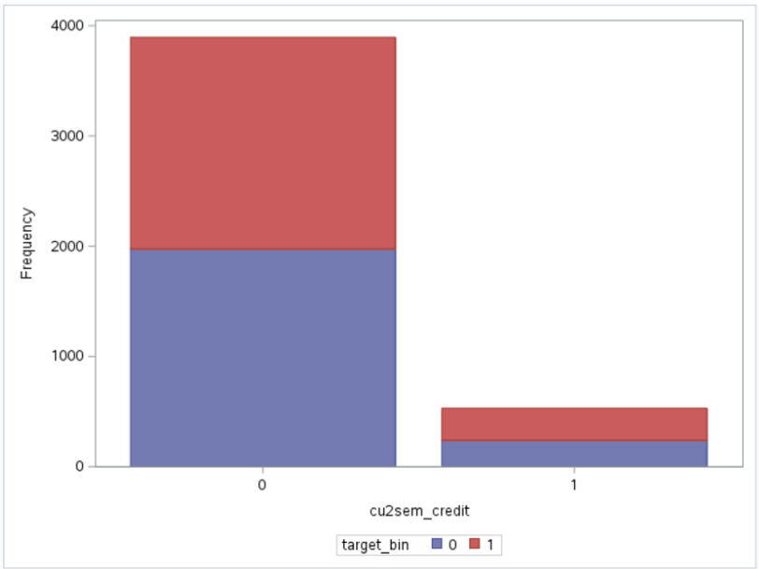
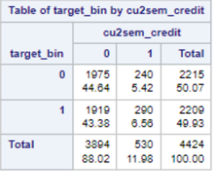
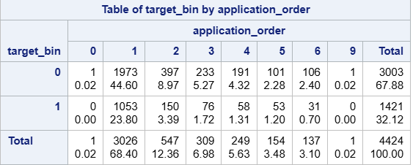
Excluded Variables

These are the variables that we removed from the model due to our use of domain knowledge and exploratory data analysis
Variables were removed for one of two reasons
1.) If the variable was unclear due to language of the definition
2.) If all classes have a similar distribution over the target variable
- this means that the variable does not provide enough differentiation for to model to accurately distinguish between classes
Nationality | International
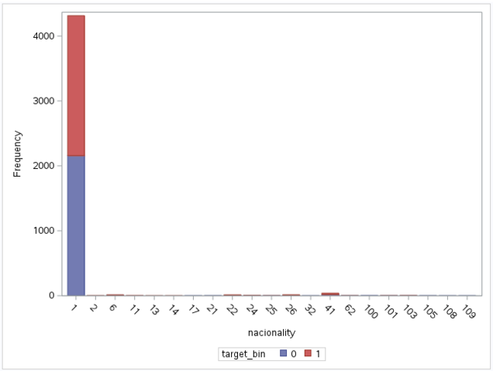
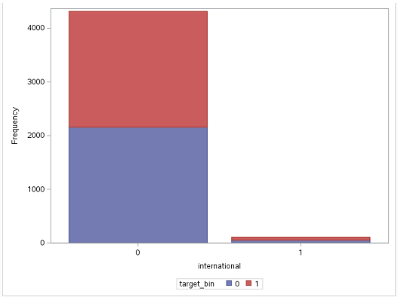

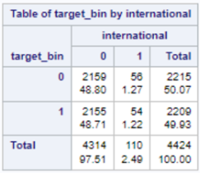

Special Needs | Curricular Units 1st Semester Credited
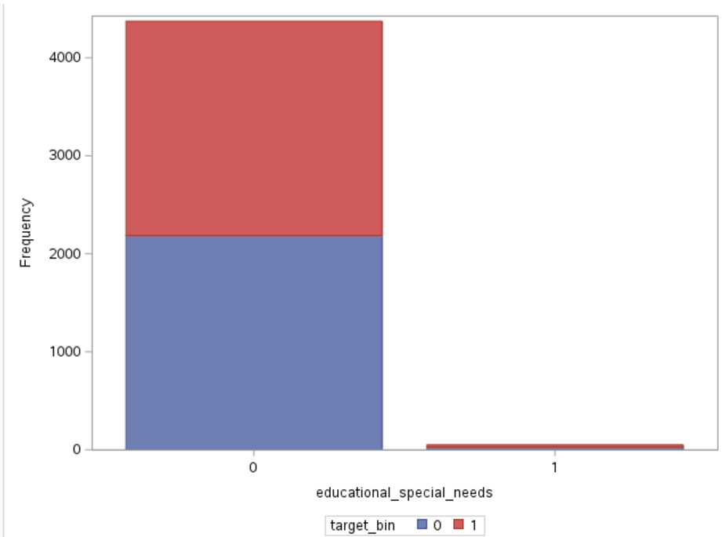
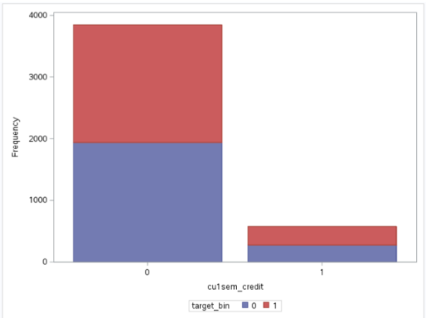

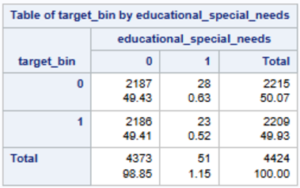
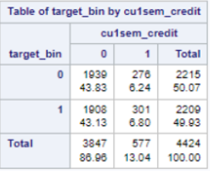

Application Order | Curricular Units 2nd Semester Credited

ModifiedVariables
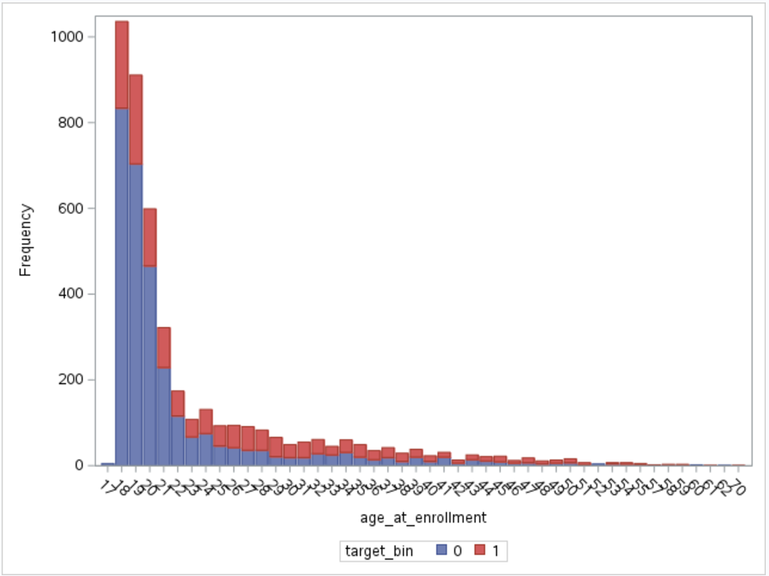
Modified Variabiles

In this section we show how we modified our original multiclass variable groupings into a more meaningful collection. We achieved this through polting and inspecting the frequency tables to find similarities in each group within a variable.

Amode | CU1Sem_approv → CU1sem_approv1
For the application mode variable we were able to further segregate this group by combining created groupd 2, 3, & 4 | For multiclass variable CU1sem_approv were able to futher breakdown groups by combining group 6 and 1.
groups 3 & 4 have similar dropout and non-dropout ratios, and the number of observations in group 2 are not | These two groups had similar dropout to non-dropout ratios and combining them will help simplify the model
likely to significanlty affect the resuts of the 3 & 4 grouping.

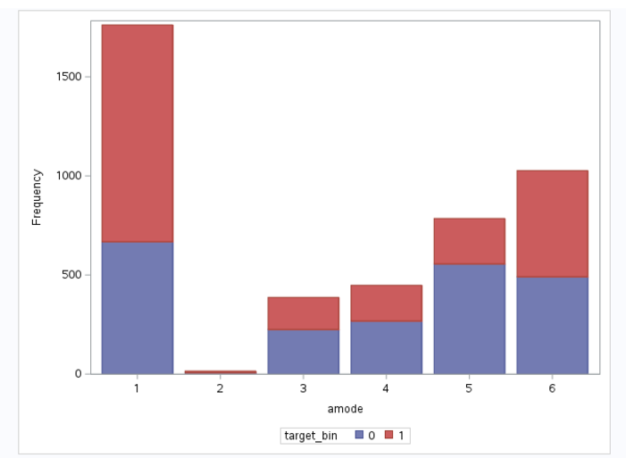
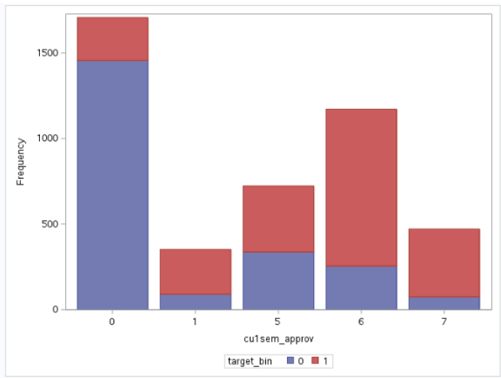

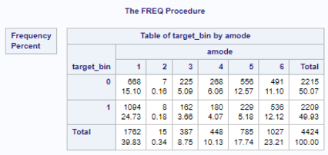
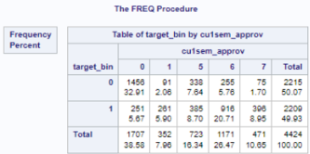

CU1Sem_Eval → CU2sem_Eval1 | CU2Sem_approv → CU2sem_approv1
For multiclass variable CU1sem_eval we were able to futher breakdown the groupings by combining groups 6, 7, & 8. | For multiclass variable CU2sem_approv we were able to futher breakdown the groupings by combining groups 6 & 1
As you can see in the graph and frequency table those groups had similar dropout rates thus our decision | As you can see in the graph and frequency table those groups had similar dropout rates thus our decision
to group them into 1 class within CU1sem_eval | to group them into 1 class within CU2sem_approv
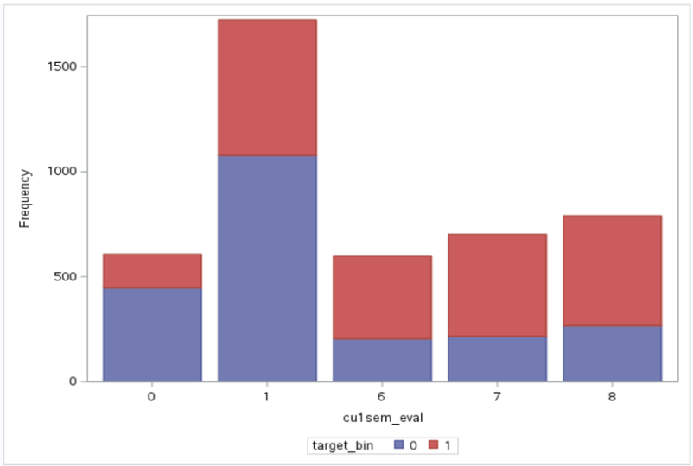
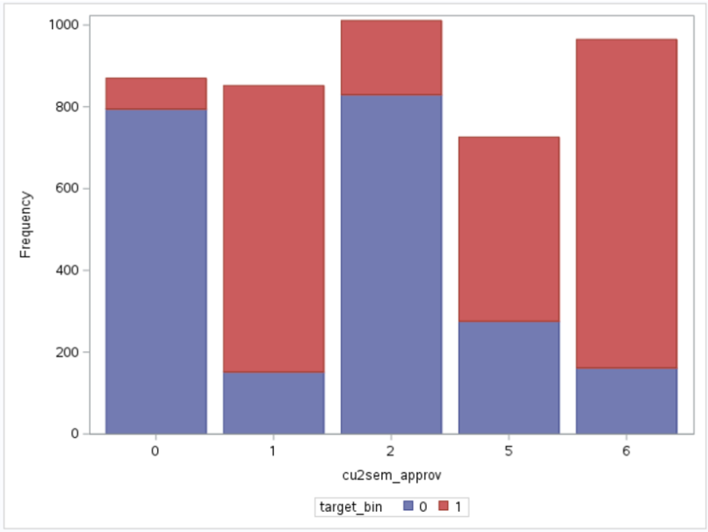

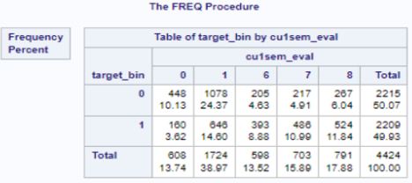
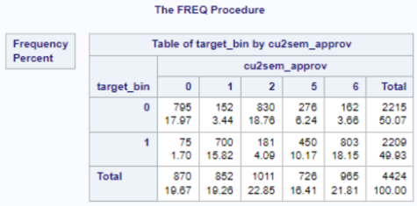

CU2Sem_Eval → CU2sem_Eval1 | Father_occupation_numerical > father_occupation
For multiclass variable CU2sem_eval we were able to futher breakdown the groupings by combining groups 6, 7, & 9 | For multiclass variable Father_occupation_numerical we were able to futher breakdown the groupings
As you can see in the graph and frequency table those groups had similar dropout rates thus our decision | by combining groups (1, 2, & 4), (3, 5, 6, & 8), and (9 & 10), leaving 7 in its own group. In the following
to group them into 1 class within CU2sem_eval | graph and frequeucy table we can see those decisions were made based on similarity in dropout rates
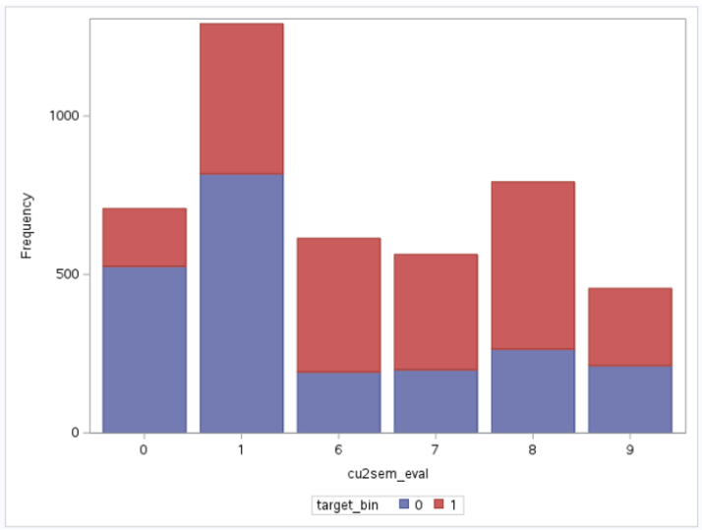
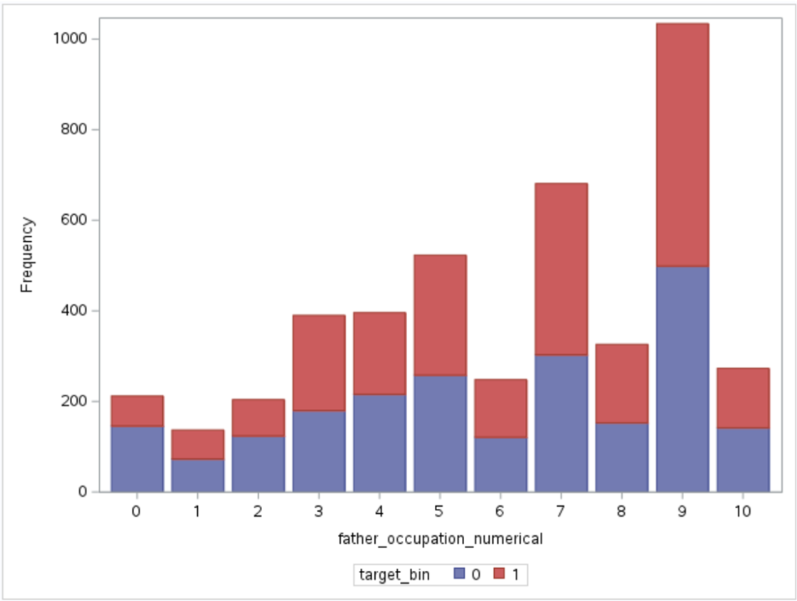

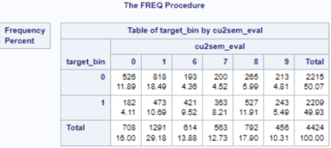


Mother_occupation_numerical > mother_occupation | Mstatus
For multiclass variable Mother_occupation_numerical we were able to futher breakdown the groupings by combining | The multiclass variable m_status is marital status in which we originally broke it down to 3 classes.
the following classes 1: (1, 6, & 8), 1: (2, 3, 5, & 7), and 4: (4, 9, & 10) -> leaving 0 in it's own group. In the following | m_status was able to be further broken down into 2 classes which we called single 1: single 0: married or other
graph and frequeucy table we can see those decisions were made based on similarity in dropout rates | This was decided through graph and frequency table breakdowns.
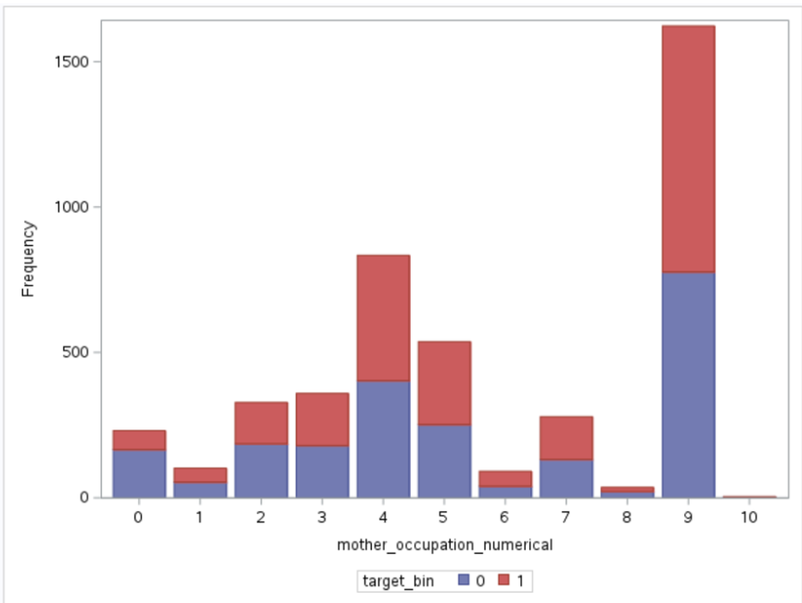
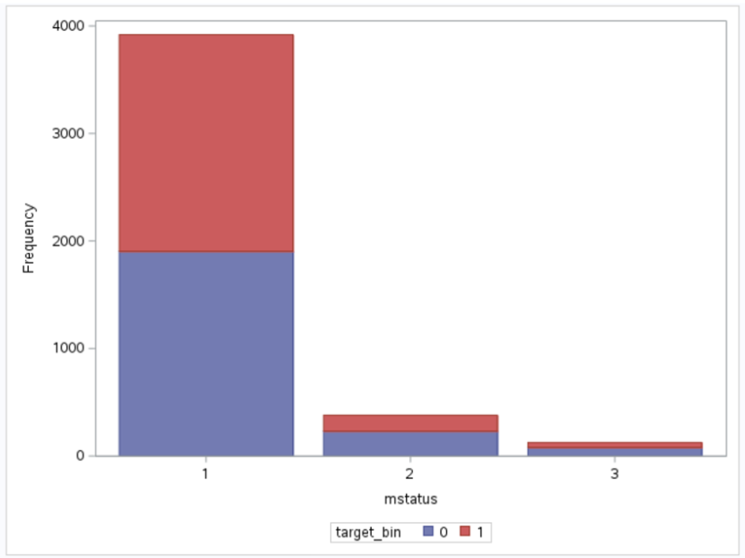


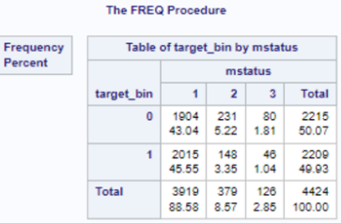

Age_at_enrollment > Age
For age there was a major skew in the data as there were applicants in their 60s and 70s
To break down this variable we looked at the highest percentage of age ranges and looked
at commonality in dropout perectanges and age ranges in groups of 10. Then we boke it into 4
groups. The groups were age ranges under 20, 20-24, 25-30, and older than 30.

